Electrification Calculator
Building Electrification Calculator
Date: | 2020-06-29 |  |  | = Input Cell

General Project Inputs |  |  |  |  |  |  | Utility Rates
Project Name |  | EXAMPLE House
Location |  | Arvada, CO |  |  |  |  | Rate Type |  | Residential
Building Area |  | 3,077 SF
Building Type |  | Home |  |  |  |  | Baseline Rate
 |  |  |  |  |  |  | Utility Rate Structure |  | Xcel Energy General Residential Plan
Existing System Type |  | Gas Furnace with Condensing Unit
Existing System Heating Efficiency |  | 80% |  |  |  |  |  |  | Baseline Utility Rates
Replacement System Type |  | Residential Low Ambient Heat Pump |  |  |  |  |  |  | $/Peak kW | $/kWh on Peak | $/kWh off Peak
Number of units being replaced |  | 1 |  |  |  |  |  | Summer | $- | $0.1060 | $0.1060
Average cooling unit capacity (tons) |  | 2.8 |  |  |  |  |  | Winter | $- | $0.0900 | $0.0900
Include cooling savings? |  | No |  |  |  |  |  | Summer Months: | Jun to Sep
Existing Cooling Efficiency (SEER) |  | 10.1

Project Costs
Project type (NC = New Construction, EOL = End of Life, Retrofit) |  |  |  | NC |  |  | Proposed Rate
 |  |  |  |  |  |  | Utility Rate Structure |  | Xcel Energy Time of Use Pricing Residential
*Both options assume high efficiency equipment |  |  | Heat Pump | Natural Gas
Central heating/cooling system (including install) |  |  | $13,000 | $13,000 |  |  |  |  | Test Rate Reductions
Average cost per ton |  |  | $4,643 | $4,643 |  |  |  |  | $/Peak kW | $/kWh on Peak | $/kWh off Peak
Tank type domestic hot water heater |  |  | $3,100 | $2,400 |  |  |  | Summer | 0% | 0% | 0%
Electrical modification |  |  | $500 |  |  |  |  | Winter | 0% | 0% | 0%
Natural gas connection and piping (NC only) |  |  |  | $6,500
Total implementation cost |  |  | $16,600 | $21,900 |  |  |  |  | Proposed Utility Rates with Reduction
Rebate amount |  |  | $700 |  |  |  |  |  | $/Peak kW | $/kWh on Peak | $/kWh off Peak
Total implementation cost with rebate |  |  | $15,900 | $21,900 |  |  |  | Summer | $- | $0.1550 | $0.0800
 |  |  |  |  |  |  |  | Winter | $- | $0.0980 | $0.0700
Delta in Cost for Heat Pump vs. Natural Gas |  |  | $ Delta | % Delta
Before Rebate |  |  | $(5,300) | -24%
After Rebate |  |  | $(6,000) | -27%

Operating Cost Summary
 |  | Gas Heat - Baseline | HP - Current Elec Rate | HP - New Elec Rate | Change w/ Current Elec Rate | Change w/ New Elec Rate | % Change w/ Current Elec Rate | % Change w/ New Elec Rate
 | Natural Gas Cost ($/yr) | $496 | $- | $- | $(496) | $(496)
 | Elec Heat Cost ($/yr) | $- | $849 | $762 | $849 | $762 | 171% | 154%
 | Elec Non-Heat Cost ($/yr) | $547 | $547 | $533 | $- | $(13) | 0% | -2%
 | Total Elec Cost ($/yr) | $547 | $1,396 | $1,295 | $849 | $749
 | Total Utility Cost ($/yr) | $1,043 | $1,396 | $1,295 | $353 | $253 | 34% | 24%

 |  |  | Overall simple payback |  | NA | NA | Years
Economic Summary
 |  | Gas Heat - Baseline | HP - Current Elec Rate | HP - New Elec Rate | Change w/ Current Elec Rate | Change w/ New Elec Rate | % Change w/ Current Elec Rate | % Change w/ New Elec Rate
 | Net Present Cost (15 yrs) | $31,640 | $29,292 | $28,331 | $(2,348) | $(3,310) | -7.4% | -10.5%

Annual Operating Cost Comparison
Net Present Cost Comparison

Whole Building Heating - Natural Gas to Electric Heat Conversion
 |  |  |  |  |  |  |  |  |  |  |  |  |  |  | Current Rates |  |  |  |  | New Rates
Season | Month | Season | Baseline Natural Gas Use (Therms) | Baseline Natural Gas Cost ($) | $/ therm | Total Natural Gas kBtu | New System Efficiency | Total Heating Use in kWh | Total Heating Use in kBtu | % of Heating kWh On Peak | Heating Load Factor | Avg. Heating Peak Demand in kW | % of Heating Peak that Adds to Existing Peak | Avg. Addition to Existing Peak (kW/mo) | Total Cost of Electric Heating kWh | Total Cost of Electric Heating kW | Total Cost of Electric Heating ($) | Change in Heating Cost ($) | % Change in Heating Cost | Total Cost of Electric Heating kWh | Total Cost of Electric Heating kW | Total Cost of Electric Heating ($) | Change in Heating Cost ($) | % Change in Heating Cost
Winter | January | Winter | 92 | $70.76 | $0.77 | 9,200 | 251% | 1,576 | 5,379 | 45% | 45% | 5 | 60% | 3 | $142 | $- | $142 | $71 | 101% | $130 | $- | $130 | $59 | 84%
Winter | February | Winter | 125 | $90.59 | $0.72 | 12,500 | 258% | 2,054 | 7,009 | 35% | 45% | 6 | 50% | 3 | $185 | $- | $185 | $94 | 104% | $164 | $- | $164 | $73 | 81%
Winter | March | Winter | 52 | $45.35 | $0.87 | 5,200 | 273% | 790 | 2,695 | 30% | 28% | 4 | 40% | 2 | $71 | $- | $71 | $26 | 57% | $62 | $- | $62 | $17 | 37%
Winter | April | Winter | 30 | $30.33 | $1.01 | 3,000 | 292% | 414 | 1,412 | 30% | 26% | 2 | 30% | 1 | $37 | $- | $37 | $7 | 23% | $32 | $- | $32 | $2 | 7%
Winter | May | Winter | 25 | $27.50 | $1.10 | 2,500 | 317% | 309 | 1,056 | 30% | 18% | 2 | 20% | 0 | $28 | $- | $28 | $0 | 1% | $24 | $- | $24 | $(3) | -12%
Summer | June | Summer | 11 | $19.85 | $1.80 | 1,100 | 339% | 125 | 425 | 30% | 19% | 1 | 10% | 0 | $13 | $- | $13 | $(7) | -33% | $13 | $- | $13 | $(7) | -36%
Summer | July | Summer | 10 | $19.26 | $1.93 | 1,000 | 353% | 107 | 366 | 30% | 24% | 1 | 10% | 0 | $11 | $- | $11 | $(8) | -41% | $11 | $- | $11 | $(8) | -43%
Summer | August | Summer | 9 | $18.83 | $2.09 | 900 | 348% | 98 | 335 | 30% | 19% | 1 | 10% | 0 | $10 | $- | $10 | $(8) | -45% | $10 | $- | $10 | $(9) | -47%
Summer | September | Summer | 7 | $17.92 | $2.56 | 700 | 324% | 84 | 287 | 30% | 14% | 1 | 30% | 0 | $9 | $- | $9 | $(9) | -50% | $9 | $- | $9 | $(9) | -52%
Winter | October | Winter | 55 | $40.14 | $0.73 | 5,500 | 297% | 742 | 2,531 | 30% | 28% | 4 | 40% | 1 | $67 | $- | $67 | $27 | 66% | $58 | $- | $58 | $18 | 45%
Winter | November | Winter | 91 | $56.83 | $0.62 | 9,100 | 270% | 1,400 | 4,776 | 35% | 35% | 6 | 50% | 3 | $126 | $- | $126 | $69 | 122% | $112 | $- | $112 | $55 | 97%
Winter | December | Winter | 97 | $59.06 | $0.61 | 9,700 | 251% | 1,662 | 5,671 | 45% | 45% | 5 | 60% | 3 | $150 | $- | $150 | $91 | 153% | $137 | $- | $137 | $78 | 132%

 | Total Annual |  | 604 | $496 | $0.82 | 60,400 | --- | 9,362 | 31,942 | --- | --- | 3 | --- | --- | $849 | $- | $849 | $353 | 71% | $762 | $- | $762 | $266 | 54%
 | Intensity (per sq.ft./yr) |  | 0.20 | $0.16 | --- | 19.6 | --- | 3.0 | 10.4 | --- | --- | 0.0010 | --- | --- | $0.28 | $- | $0.28 | $0.11 | --- | $0.25 | $- | $0.25 | $0.09 | ---
 | Cost/kBtu |  | --- | $0.008 | --- | --- | --- | --- | --- | --- | --- | --- | --- | --- | --- | --- | $0.014 | --- | --- | --- | --- | $0.013 | --- | ---

Electricity Costs & Cooling Efficiency Savings Calculations
This section calculates the non-heating electric costs with different utility rates with the option to incorporate cooling savings.

Replacement Cooling Efficiency (SEER): |  |  | 15.8
Reduction in Cooling Energy: |  |  | 36%
 |  |  |  |  |  |  |  |  |  |  |  |  |  |  |  |  | Current Rates |  |  |  |  |  | New Rates
Season | Month | Season | Total Electricity Use (kWh) | Total Electricity Demand (kW) | % of kWh Assumed to be Peak | Baseline Electricity Cost | Aggregate $/ kWh | Total Electric kBtu | Cooling % of Electric Total | Baseline Cooling Energy Use (kWh) | Baseline Cooling Electric Peak (kW) | Cooling Energy Savings (kWh) | Cooling Demand Savings (kW) | New Total Electricity Use (KWh) | New Total Electricity Demand (kW) | New Electric kBtu | New Electric Energy Cost ($) | New Electric Demand Cost ($) | New Electric Cost ($/Yr) | Change in Electric Cost ($/Yr) | New Aggregate Electric Cost ($/Yr) | % Change in Total Electric Cost | New Electric Energy Cost ($) | New Electric Demand Cost ($) | New Electric Cost ($/Yr) | Change in Electric Cost ($/Yr) | New Aggregate Electric Cost ($/Yr) | % Change in Total Electric Cost
Winter | January | Winter | 402 | - | 45% | $36 | $0.09 | 1,372 | 0% | - | - | - | - | 402 | - | 1,372 | $36 | $- | $36 | $- | $0.09 | 0% | $33 | $- | $33 | $(3) | $0.08 | -8%
Winter | February | Winter | 448 | - | 45% | $40 | $0.09 | 1,529 | 0% | - | - | - | - | 448 | - | 1,529 | $40 | $- | $40 | $- | $0.09 | 0% | $37 | $- | $37 | $(3) | $0.08 | -8%
Winter | March | Winter | 339 | - | 44% | $31 | $0.09 | 1,157 | 3% | 10 | - | 4 | - | 339 | - | 1,157 | $31 | $- | $31 | $- | $0.09 | 0% | $28 | $- | $28 | $(3) | $0.08 | -9%
Winter | April | Winter | 290 | - | 42% | $26 | $0.09 | 989 | 5% | 15 | - | 5 | - | 290 | - | 989 | $26 | $- | $26 | $- | $0.09 | 0% | $24 | $- | $24 | $(2) | $0.08 | -9%
Winter | May | Winter | 324 | - | 42% | $29 | $0.09 | 1,105 | 15% | 49 | - | 18 | - | 324 | - | 1,105 | $29 | $- | $29 | $- | $0.09 | 0% | $27 | $- | $27 | $(3) | $0.08 | -9%
Summer | June | Summer | 550 | - | 41% | $58 | $0.11 | 1,877 | 20% | 110 | - | 40 | - | 550 | - | 1,877 | $58 | $- | $58 | $- | $0.11 | 0% | $61 | $- | $61 | $3 | $0.11 | 5%
Summer | July | Summer | 932 | - | 39% | $99 | $0.11 | 3,180 | 20% | 186 | - | 67 | - | 932 | - | 3,180 | $99 | $- | $99 | $- | $0.11 | 0% | $102 | $- | $102 | $3 | $0.11 | 3%
Summer | August | Summer | 820 | - | 39% | $87 | $0.11 | 2,798 | 20% | 164 | - | 59 | - | 820 | - | 2,798 | $87 | $- | $87 | $- | $0.11 | 0% | $90 | $- | $90 | $3 | $0.11 | 3%
Summer | September | Summer | 277 | - | 41% | $29 | $0.11 | 945 | 10% | 28 | - | 10 | - | 277 | - | 945 | $29 | $- | $29 | $- | $0.11 | 0% | $31 | $- | $31 | $1 | $0.11 | 4%
Winter | October | Winter | 298 | - | 42% | $27 | $0.09 | 1,017 | 0% | - | - | - | - | 298 | - | 1,017 | $27 | $- | $27 | $- | $0.09 | 0% | $24 | $- | $24 | $(2) | $0.08 | -9%
Winter | November | Winter | 506 | - | 44% | $46 | $0.09 | 1,726 | 0% | - | - | - | - | 506 | - | 1,726 | $46 | $- | $46 | $- | $0.09 | 0% | $42 | $- | $42 | $(4) | $0.08 | -8%
Winter | December | Winter | 428 | - | 45% | $39 | $0.09 | 1,460 | 0% | - | - | - | - | 428 | - | 1,460 | $39 | $- | $39 | $- | $0.09 | 0% | $35 | $- | $35 | $(3) | $0.08 | -8%

 | Total Annual |  | 5,614 | - | 42% | $547 | $0.10 | 19,155 | 10% | 561 | --- | 203 | - | 5,614 | - | 19,155 | $547 | $- | $547 | $- | $0.10 | 0% | $533 | $- | $533 | $(13) | $0.09 | -4%
 | Intensity (per sq.ft./yr) |  | 1.8 | --- | --- | $0.18 | --- | 6.2 | --- | 0.2 | --- | 0.1 | - | 1.8 | - | 6.2 | $0.18 | $- | $0.18 | $- | $0.00 | --- | $0.17 | $- | $0.17 | $(0.00) | $0.00 | ---
 |  |  |  |  |  | Total Baseline Site EUI: | 25.9 | kBtu/sq.ft./yr |  |  |  |  |  |  | Total New Site EUI: | 16.6 | kBtu/sq.ft./yr

Lookups
Typical Values for Inputs
Note: This sheet provides references of typical values that can be used as inputs on the calculator tab.

Equipment Efficiencies
 |  |  | Electric Resistance/ Electric Boiler | Single Zone RTU Packaged Unit with Heat Pump | Residential Low Ambient Heat Pump
 |  | COP @ 47 deg F OAT: | 100% | 360% | 324%
 |  | COP @ 17 deg F OAT: | 100% | 230% | 251%

 |  | Cooling SEER: | N/A | 12.00 | 15.80

 |  |  | Heating Efficiencies Lookup
 | Month | Avg Low Temp | Electric Resistance/ Electric Boiler | Single Zone RTU Packaged Unit with Heat Pump | Residential Low Ambient Heat Pump
 | January | 17 | 100% | 230% | 251%
 | February | 20 | 100% | 243% | 258%
 | March | 26 | 100% | 269% | 273%
 | April | 34 | 100% | 304% | 292%
 | May | 44 | 100% | 347% | 317%
 | June | 53 | 100% | 386% | 339%
 | July | 59 | 100% | 412% | 353%
 | August | 57 | 100% | 403% | 348%
 | September | 47 | 100% | 360% | 324%
 | October | 36 | 100% | 312% | 297%
 | November | 25 | 100% | 265% | 270%
 | December | 17 | 100% | 230% | 251%

Equipment Type Selection Options
 | Commercial | Residential | Custom
 | Xcel Energy Secondary General (no Time of Use) | Xcel Energy General Residential Plan | Custom
 | Xcel Energy Primary General (Time of Use) | Xcel Energy Time of Use Pricing Residential
 |  | Xcel Energy Peak Demand Pricing Residential

Commercial Utility Rates

Xcel Energy Secondary General (no Time of Use)
 | $/Peak kW | $/kWh on Peak | $/kWh off Peak
Summer | $25.07 | $0.0455 | $0.0455
Winter | $20.52 | $0.0455 | $0.0455
Summer Months: | Jun to Sep
On Peak Times: | NA

Xcel Energy Primary General (Time of Use)
 | $/Peak kW | $/kWh on Peak | $/kWh off Peak
Summer | $23.48 | $0.0534 | $0.0389
Winter | $18.34 | $0.0534 | $0.0389
Summer Months: | Jun to Sep
On Peak Times: | 9a-9p

Residential Utility Rates

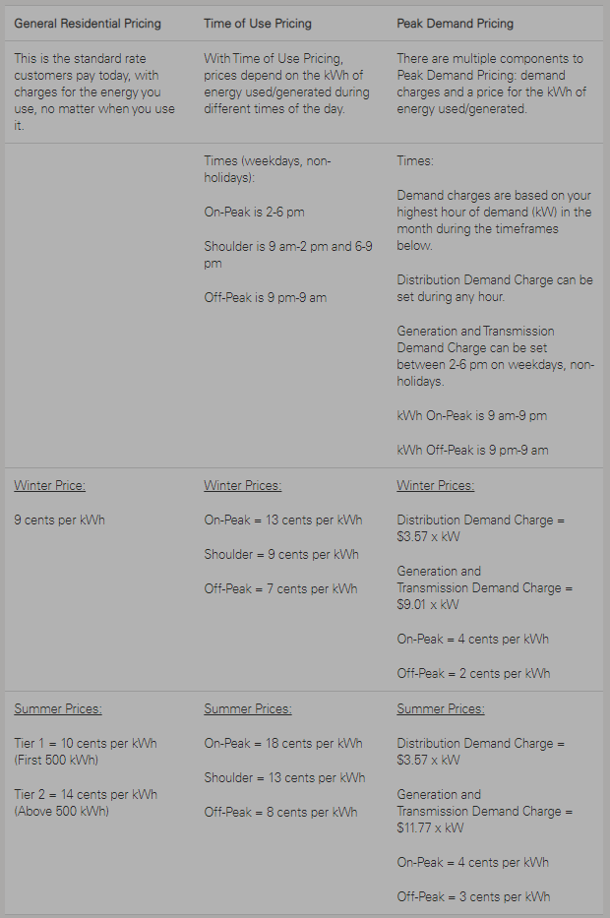
Xcel Energy General Residential Plan |  |  |  |  |  |  |  |  |  | Xcel Energy Residential Rates - 4/21/2020
 | $/Peak kW | $/kWh on Peak | $/kWh off Peak |  | First 500 kWh | Above 500 kWh | % > 500 kWh
Summer | $- | $0.106 | $0.106 |  | $0.10 | $0.14 | 15%
Winter | $- | $0.090 | $0.090 |  | $0.09 | $0.09 | --
Summer Months: | Jun to Sep
On Peak Times: | 9a-9p

Xcel Energy Time of Use Pricing Residential
 | $/Peak kW | $/kWh Day Time Average | $/kWh off Peak |  | $/kWh Shoulder | $/kWh on Peak | % On Peak
Summer | $- | $0.16 | $0.08 |  | $0.13 | $0.18 | 50%
Winter | $- | $0.10 | $0.07 |  | $0.09 | $0.13 | 20%
Summer Months: | Jun to Sep
On Peak Times: | 9a-9p

Xcel Energy Peak Demand Pricing Residential
 | $/Peak kW | $/kWh on Peak | $/kWh off Peak
Summer | $15.34 | $0.04 | $0.03
Winter | $12.58 | $0.04 | $0.02
Summer Months: | Jun to Sep
On Peak Times: | 9a-9p

Custom | Enter values for custom rate

Custom
 | $/Peak kW | $/kWh on Peak | $/kWh off Peak
Summer | $25.00 | $0.0500 | $0.0500
Winter | $25.00 | $0.0500 | $0.0500
Summer Months: | Jun to Sep
On Peak Times: | 9a-9p

First Cost Information
See calculator tab for notes on cost ranges

Residential - End of Life |  |  | Heat Pump |  | Natural Gas |  |  | Heat Pump | Natural Gas
*Both options assume high efficiency equipment |  |  | Low | High | Low | High |  | Price used
Central heating/cooling system (including install) |  |  | $14,000 | $16,000 | $14,000 | $16,000 |  | $15,000 | $15,000
Tank type domestic hot water heater |  |  | $3,800 | $4,500 | $2,000 | $3,000 |  | $3,300 | $2,600
Electrical modification |  |  | $- | $1,200 |  |  |  | $2,100
Natural gas connection and piping (NC only) |  |  |  |  |  |  |  |  | $6,500 | Cost Delta
Totals |  |  | $17,800 | $21,700 | $16,000 | $19,000 |  | $20,400 | $17,600 | 16%
Cost Delta |  |  |  |  | $1,800 | $2,700 |  |  | $2,800

Residential - New Construction |  |  | Heat Pump |  | Natural Gas |  |  | Heat Pump | Natural Gas
*Both options assume high efficiency equipment |  |  | Low | High | Low | High |  | Price used
Central heating/cooling system (including install) |  |  | $12,000 | $15,000 | $12,000 | $15,000 |  | $13,000 | $13,000
Tank type domestic hot water heater |  |  | $3,800 | $4,500 | $2,000 | $3,000 |  | $3,100 | $2,400
Electrical modification |  |  | $- | $1,200 |  |  |  | $500
Natural gas connection and piping (NC only) |  |  |  |  | $5,000 | $8,000 |  |  | $6,500 | Cost Delta
Totals |  |  | $15,800 | $20,700 | $19,000 | $26,000 |  | $16,600 | $21,900 | -24%
Cost Delta |  |  |  |  | $(3,200) | $(5,300) |  |  | $(5,300)
 |  | # of Units | 9
 |  | Tons per Unit | 10
 |  | Total Tons | 90

Commercial - End of Life |  |  | Heat Pump |  | Natural Gas |  |  | Heat Pump | Natural Gas
*Both options assume high efficiency equipment |  |  | Low | High | Low | High |  | Price used
Central heating/cooling system (including install) |  |  | $216,000 | $234,000 | $216,000 | $234,000 |  | $234,000 | $234,000
Average cost per ton |  |  | $2,400 | $2,600 | $2,400 | $2,600 |  | $2,600 | $2,600
Tank type domestic hot water heater |  |  | $3,800 | $4,500 | $2,000 | $3,000 |  | $4,200 | $2,600
Electrical modification |  |  | $2,000 | $2,000 |  |  |  | $3,000
Natural gas connection and piping (NC only) |  |  |  |  |  |  |  |  |  | Cost Delta
Totals |  |  | $221,800 | $240,500 | $218,000 | $237,000 |  | $241,200 | $236,600 | 2%
 |  |  |  |  | $3,800 | $3,500 |  |  | $4,600

Commercial - New Construction |  |  | Heat Pump |  | Natural Gas |  |  | Heat Pump | Natural Gas
*Both options assume high efficiency equipment |  |  | Low | High | Low | High |  | Price used
Central heating/cooling system (including install) |  |  | $216,000 | $234,000 | $216,000 | $234,000 |  | $216,000 | $216,000
Average cost per ton |  |  | $2,400 | $2,600 | $2,400 | $2,600 |  | $2,400 | $2,400
Tank type domestic hot water heater |  |  | $3,800 | $4,500 | $2,000 | $3,000 |  | $3,800 | $2,400
Electrical modification |  |  | $2,000 | $2,000 |  |  |  | $1,500
Natural gas connection and piping (NC only) |  |  |  |  | $16,000 | $27,000 |  |  | $21,000 | Cost Delta
Totals |  |  | $221,800 | $240,500 | $234,000 | $264,000 |  | $221,300 | $239,400 | -8%
 |  |  |  |  | $(12,200) | $(23,500) |  |  | $(18,100)

Demand Data
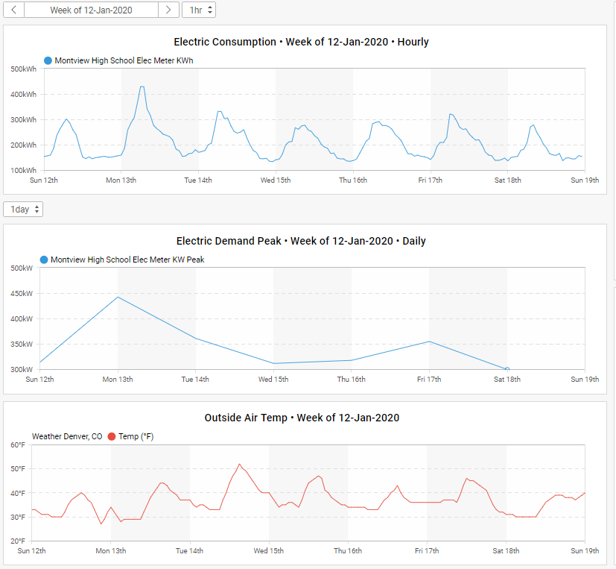
Average Load Factor from Example Projects

Load Factor = energy consumed/(peak power*days/month*24)
Note: This sheet is used to calculate an average monthly load factor which is a relationship between monthly energy use and peak demand. The average load factor is used in the electrification calculator to determine the estimated peak electrical demand each month given the input of the monthly energy use. The monthly values in this sheet were determined by analyzing data from past projects that had heating interval data available.

Average Building Load Factor Used

 | Month | LF %
 | Jan | 45% |  |  |  |  | AVG WINTER LF | 42%
 | Feb | 45% |  |  |  |  | AVG SUMMER LF | 21%
 | Mar | 28% |  |  |  |  | AVG SHOULDER LF | 23%
 | Apr | 26%
 | May | 18%
 | Jun | 19%
 | Jul | 24%
 | Aug | 19%
 | Sep | 14%
 | Oct | 28%
 | Nov | 35%
 | Dec | 45%

Building 1 Monthly Data
 | Month | Days/ Month | Energy Use (kWh/SF/ month) | B1 Peak Demand (kW/SF) | LF %
 | Jan | 31 | 0.88973 | 0.00250 | 48% |  | AVG WINTER LF | 42%
 | Feb | 28 | 0.75269 | 0.00253 | 44% |  | AVG SUMMER LF | 20%
 | Mar | 31 | 0.58162 | 0.00248 | 32% |  | AVG SHOULDER LF | 23%
 | Apr | 30 | 0.38307 | 0.00197 | 27%
 | May | 31 | 0.28241 | 0.00239 | 16%
 | Jun | 30 | 0.11396 | 0.00081 | 20%
 | Jul | 31 | 0.09686 | 0.00068 | 19%
 | Aug | 31 | 0.08137 | 0.00050 | 22%
 | Sep | 30 | 0.11848 | 0.00121 | 14%
 | Oct | 31 | 0.47905 | 0.00234 | 27%
 | Nov | 30 | 0.66036 | 0.00292 | 31%
 | Dec | 31 | 0.88447 | 0.00258 | 46%

Building 2 Monthly Data
 | Month | Days/ Month | Energy Use (kWh/SF/ month) | B1 Peak Demand (kW/SF) | LF %
 | Jan | 31 | 1.30650 | 0.00421 | 42% |  | AVG WINTER LF | 43%
 | Feb | 28 | 1.30650 | 0.00421 | 46% |  | AVG SUMMER LF | 22%
 | Mar | 31 | 0.58190 | 0.00317 | 25% |  | AVG SHOULDER LF | 23%
 | Apr | 30 | 0.58190 | 0.00317 | 25%
 | May | 31 | 0.42106 | 0.00272 | 21%
 | Jun | 30 | 0.06548 | 0.00049 | 19%
 | Jul | 31 | 0.06396 | 0.00029 | 29%
 | Aug | 31 | 0.06547 | 0.00053 | 17%
 | Sep | 30 | 0.15026 | 0.00153 | 14%
 | Oct | 31 | 0.76339 | 0.00360 | 29%
 | Nov | 30 | 1.02176 | 0.00375 | 38%
 | Dec | 31 | 1.38860 | 0.00418 | 45%

Building 3 Monthly Data
This is an electric building that had 24/7 operation. Not representative of a typical office schedule but could be used for a 24/7 building.

 | Month | Days/ Month | On Peak kWh | Off Peak kWh | Total kWh | Peak kW | LF % | % On Peak
 | Jan | 30 | 77,937 | 176,041 | 253,978 | 408 | 86% | 44% | AVG WINTER LF | 81%
 | Feb | 30 | 77,937 | 176,041 | 253,978 | 408 | 86% | 44% | AVG SUMMER LF | 60%
 | Mar | 30 | 77,937 | 134,417 | 212,354 | 376 | 78% | 58% | AVG SHOULDER LF | 61%
 | Apr | 29 | 68,881 | 95,366 | 164,247 | 501 | 47% | 72%
 | May | 29 | 80,873 | 81,109 | 161,982 | 448 | 52% | 100% | AVG WINTER On Peak kWh | 47%
 | Jun | 32 | 96,564 | 101,526 | 198,090 | 473 | 55% | 95% | AVG SUMMER On Peak kWh | 77%
 | Jul | 30 | 88,375 | 130,754 | 219,129 | 499 | 61% | 68% | AVG SHOULDER On Peak kWh | 70%
 | Aug | 29 | 96,599 | 142,921 | 239,520 | 542 | 63% | 68%
 | Sep | 32 | 88,620 | 142,720 | 231,340 | 470 | 64% | 62%
 | Oct | 29 | 75,948 | 136,406 | 212,354 | 472 | 65% | 56%
 | Nov | 33 | 82,294 | 171,684 | 253,978 | 428 | 75% | 48%
 | Dec | 31 | 87,735 | 168,765 | 256,500 | 454 | 76% | 52%

Winter Peak Load Profiles

Building without electric heat

Building with electric heat

 |  |  |  |  |  |  |  |  |  |  | Demand from heating = | 2020-01-08 | 2020-01-12 | 2020-02-10 | 2020-03-08
 |  |  |  |  |  |  |  |  |  |  | Base night load | 139 | 178 | 155 | 88
 |  |  |  |  |  |  |  |  |  |  | Heating peak | 334 | 430 | 367 | 319
 |  |  |  |  |  |  |  |  |  |  | Day time peak | 247 | 233 | 248 | 250
 |  |  |  |  |  |  |  |  |  |  | Portion of peak from heating | 195 | 252 | 212 | 231
 |  |  |  |  |  |  |  |  |  |  | Increase in peak | 87 | 197 | 119 | 69
 |  |  |  |  |  |  |  |  |  |  | % of total heat peak | 45% | 78% | 56% | 30%

